S1 Review Agenda
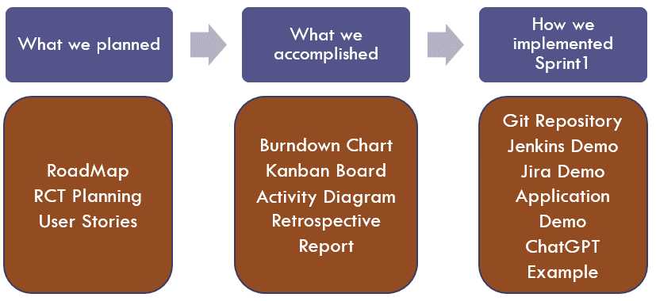

No | Presentation Item | Presentation Instructions
1 | RoadMap | Explain the rationale how the team decided what to include in Sprint1 scope.
2 | RCT Planning | Open the RCT composition view and explain the team's decision about which crosscuts to implement.
3 | User Stories | Choose one story as example and explain it, in particular, Story Constrains and Exceptions.
4 | BurnDown Chart | Explain the purpose of the chart and comment whether the team was on schedule to deliver Sprint1.
5 | Kanban Board | Explain the purpose of the Kanban Board and what it shows.
6 | Activity Diagram | Explain the purpose of the diagram and the flow it shows.
7 | Retrospective Report | Open Report and explain what worked well during the Sprint and what should be improved and how going forward.
8 | Git Repository | Create just 1-2 slides and explain the repository folder structure. Make sure you have the folder "Final Project Presentation".
9 | Jenkins Demo | Record a short Demo (3-4 min) demonstrating a pipeline execution.
10 | Jira Demo | Create 2-3 slides showing stories, defects and a Kanban Board in the Jira project.
11 | Application Demo | Record a short Demo (3-4 min) demonstrating the stories implemented in Sprint1.
12 | ChatGPT | Create a Word document capturing the information from ChatGPT you used in Exploratory testing.

Documentation Guidelines
Project Checklist and Guidelines
General Guideline: before you start working on any deliverable, please review examples on the Classes Portal and related guidelines below.
NO | Deliverables | Role | Comments
N/A | Jira: Create Jira account; invite team members | Jira Admin | see the document "CS691_W1_Jira Tutorial" in "CS691 Tools" module in Classes.
N/A | Install Java, Jenkins | Jenkins Admin | Install Java JDK 11, see details in CS691_W1_Introduction to DevOps. Download and install Jenkins 2.346.2 LTS for Windows: https://www.jenkins.io/download/
1 | Business Cases (2) | PM | 1. Conduct a team meeting, identify 2 candidate applications. Agree when daily "progress check point" meetings will be conducted. 2. Split the team into two streams and assign students to work in parallel on each of the two Business Cases. 3. Review with the team the template and examples of Business Cases, make sure the team understands the document sections. 4. Use a Business Case template to produce documents. Use ChatGPT to fill the template sections then tailor the ChatGPT output for your case. Review the initial Business Case drafts with the team. 5. Send the initial drafts to the Instructor for review and feedback no later than 2 days prior to a deadline. This will leave the team 1-2 days for improving the recommended business case.
2 | List of Customer needs | Product Owner | 1. Review prototype systems, compile a list of services these systems provide to Customers. 2. Tailor the initial list to your system context, capture the initial list of Customer needs (around 15-20 items) in a Word document. All list items must be enumerated (see examples). 3. Once you identified in the BRM ("Customers" part) the external Customer roles, then re-structure the initial list of Customer needs by these roles and verify that each Customer role is sufficiently addressed by the list of needs.
3 | List of Internal User needs | Product Owner | The List of Internal User Needs should be structured by the groups of business stakeholders (internal) you included in the BRM diagram. For each business group identify up to 5 most important requirements, use job descriptions as a resource to understand your business stakeholder (internal users) needs. All list items must be enumerated (see examples).
4 | BRM Diagram, SIPOC, User Roles | Product Owner | 1. Follow the BRM template from the lecture material. 2. The central part (internal organization structure) includes data flows among the internal groups. Include your system name in the groups that will be using it. 3. The BRM suppliers, customers, and business groups should be consistent with the related information in the Business Case document. 4. If the internal organization structure includes multiple groups, indicate which groups will be direct users of your application. 5. For each of these groups, identify user roles in a separate slide. Structure user roles by "Internal Users" and "External Users", these user roles should be consistent with the Business Case. 6. Validate the "Internal roles" on job portals (Indeed, Monster), make sure such job titles exist. 7. Elaborate the BRM information in the SIPOC diagram, see the lecture material for detail. 8. The diagrams should be delivered in a Power Point document with a title on each slide.
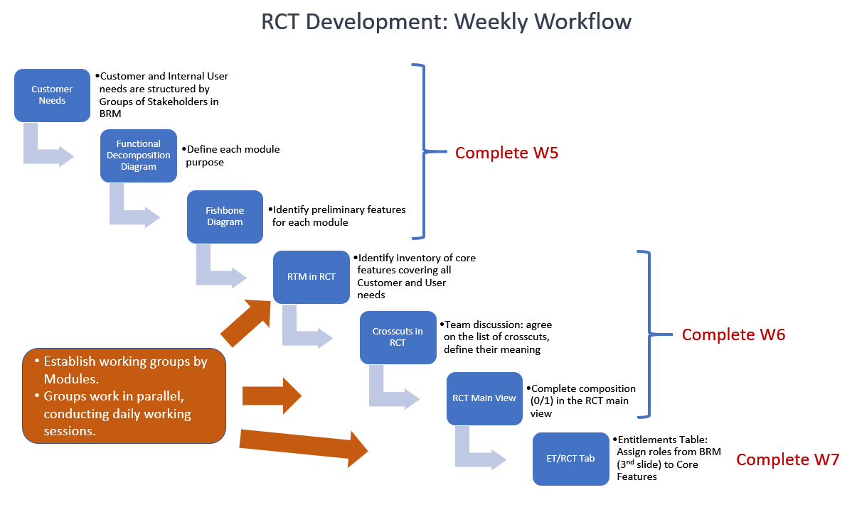
5 | Context Diagram; System Interface Table | Lead BA | 1. The diagram includes your system and external parties, i.e., external systems and main user roles. Note, database is NOT an external system, it is part of your application architecture. 2. For all external systems, the diagram shows data flows (in and out) with labels indicating the type of data being exchanged. All external interfaces are enumerated to be referenced in the second slide. 3. When showing a user/customer in the diagram, use a UML symbol "Actor" to differentiate it from a system. 4. The second slide includes a System Interface Table explaining external dataflows, see the lecture material. The enumeration of data feeds, and the data feed directions (Source and Target) should be consistent between the first and second slides. 2nd Slide, Table column "Validation" means some rules to check before accepting transaction data. Note, inputs from the users do not qualify as system interfaces. 5. Slide 2, Validation column - use CharGPT for getting details of data feed validation rules. 6. The diagram should be delivered in a Power Point document with a title on each slide. 7. Finally, the Context diagram should be checked for consistency with the BRM, make sure the business groups in the BRM, who are NOT using your system, have their systems shown in the Context diagram, primary Customers in the BRM are shown as Actors in the Context diagram.
6 | Architecture Diagrams (Logical, Process views) | Lead Dev/DBA | 1. Produce two architecture diagrams representing two views - logical (Layered pattern) and process (Client-Server Pattern) views. 2. Include diagrams in a Power Point document, each slide should have a title: - architecture type - architecture view - architecture style (i.e. pattern name)
7 | Functional Decomposition Diagram, Fishbone Diagram | Lead BA | 1. Identify functional areas of your application; note a functional area is a sizable part of the application functionality that will include multiple features. A common number of functional areas is between 4 and 6. 2. FDD - Enumerate the identified functional areas (modules); assign a team member to each functional area to lead the RCT development. 3. Fishbone - Use the same module enumeration on the Fishbone diagram where you preliminary identify some core features within each functional area. Do not enumerate the functional features in the Fishbone diagram, you will enumerate them in the RCT.
N/A | Produce a Homepage sketch Start developing Homepage | Lead Dev | 1. Review the system's prototypes referenced in the Business Case. 2. Make a "paper" design prototype (in Word, or PowerPoint, etc.), discuss it with the team. 3. Start coding the Home Page. 4. Add later a menu structure based on the functional.
N/A | Project Entry Criteria | Project Manager | See a document (Supplementary Materials module) "CS691_W6_Project Entry Criteria"
N/A | Daily Plan | Project Manager | 1. Project Managers start producing and distributing Daily Schedule for each week duriing Sprint implementation. 2. The Plan includes a copy of all tasks for the week + Tasks to implement user stories this week.
8 | User Stories with columns "Constraints", "Exceptions" | Lead BA | 1. Follow the template and examples on Course portal in Classes to capture User Stories. 2. For each user story, check the Entitlements specification in the RCT or BRM Slide 3 first to understand which roles (Actors) should be included in the user story specification. 3. The list of user stories should match the inventory of core features in the RCT (titles and ID). 4. Indicate which user stories you plan to implement this semester. Mark the other user stories as "TBD". 5. Constraints come from ET-Entitlements crosscut; Exceptions come from the validation crosscuts, e.g., Field Validation, Connectivity validation, etc.
9 | Road Map (S1, S2, S3) | Product Owner | 1. Follow the Road Map template (Excel) in Classes. 2. The Road Map includes the entire product backlog (list of core features). 3. All core features in the backlog should match the RCT core feature titles and ID. 4. Each user story (core feature), allocated to a Sprint, should have a number (story points) representing the effort to implement the story. 6. For each Sprint, include the Velocity number (SUM of story points). Make sure the Velocity numbers across the Sprints are comparable. 7. For each Sprint indicate the delivery date (see Delivery Schedule tab). 8. Create a separate tab "Jira RoadMap" and copy the RoadMap image from Jira, before copying expend Epics in Jira so we could see which user stories are part of which sprints. Note - you do not need to allocate to Sprints ALL stories in the backlog, only those that the team can actually develop during this semester, so the plan should be realistic and practical. The features that you do not plan to implement do not need to be assigned story points.
10 | RTM+RCT (includes functional decomposition, supplementary reqs) | Lead BA | 1. Follow the RCT template Classes. 2. Include in the RCT the application modules you already identified in the FDD. 3. Analyze the business requirements and identify core application features for each module, include feature ID and titles (name core features). Up to a dozen of core features for a given module would be sufficient. Use the prototypes you included in the Business Case as an additional source of ideas. Check the list of core features in the RCT against the Fishbone diagram, make sure you did not missed in the RCT some features from the Fishbone diagram. 4. Use ChatGPT to generate ideas for core features to support a given business requirement. 5. Core Feature titles begin with a verb indicating the user's goal. Each core feature produces a distinct business result, do not combine different goals, e.g., Create, Update, Delete, in the same Core feature. Do not forget features "Login", "Sign up". 6. Style: feature titles should be short, each word in a title starts with a Cap letter. 7. Build a Requirements Traceability Matrix (RTM); copy to Col A abd B all business requirements from the Business Requirements document; derive core features from the business requirements, trace them to demonstrate complete coverage of the Customer and Internal User needs. 8. When you have produced a stable RCT draft, discuss with the team and highlight a few core features and their respective crosscuts that the team will implement this semester.
11 | Supplementary Requirements (crosscuts, ET Table in RCT) | Lead BA | 1. Discuss and agree within the team on the list of Crosscuts; then refine their descriptions in the RCT making them specific to your application. 2. In the last Tab "Entitlements" list all roles you identified in the BRM document (Slide 'User Roles"), including customer roles, and map them to the related core features. 3. Once the ET table is complete, go back to the RCT composition view and check if the ET crosscut composition with core features is consistent with the ET Table information.
12 | UML Use-Case Diagrams | Lead BA | 1. Produce two use case diagrams for two different modules of your application. 2. Each use case diagram shows a group of related user stories and their actors that are in the scope of each module. 3. Discuss actors for each user story in the UC diagrams, update the RCT/ET table if needed; the use case diagrams should be consistent with the RCT/ET table; 3. Each use case in the diagrams has an ID and Title as shown in the RCT, use the UML Actor symbol to represent actors. 4. Highlight those few user stories that the team plans to implement this semester. 5. Include UC diagrams in a Power Point document, where each slide has a title. |  | UML Actor symbol
13 | UML Activity Diagram | Lead BA | 1. Create a UML activity diagram to show the primary scenario (an end-to-end flow) how Customers will be using the application functionality. Note, the flow should have a process Start and process End symbols. 2. If applicable, use a swim-lane diagram template; structure the lanes by user roles. 3. The diagram should be delivered in a Power Point document with a title on a slide.
14 | UML Class Diagrams |  | 1. These UML diagrams are produced for every user story the team selected for implementation this semester. 2. Review the guidelines chart on the right. Start with the Class diagram, define class attributes, methods and relationships. Crosscheck class attributes with the fields of related tables (in Table specification). 3. A sequence diagram is produced for a given user story; place the story title from the RCT in the Slide title. 4. Before you work on the Sequence diagram, write an outline of the related story in the same slide, this way you could better see if the diagram flow sufficiently represents the related story scenario. 5. A sequence diagram begins with an Actor, use the UML Actor symbol to represent the Actor. 6. Start the Sequence diagram by placing objects that implement a user story; verify that classes of these objects exist in the Class diagram. 7. The sequence diagram should show the same methods that you included in the Class diagram for the same classes. 8. Diagrams are delivered in a Power Point document, where each slide has a title, indicating which user story the diagram represents.
15 | UML Sequence Diagrams |  |  | 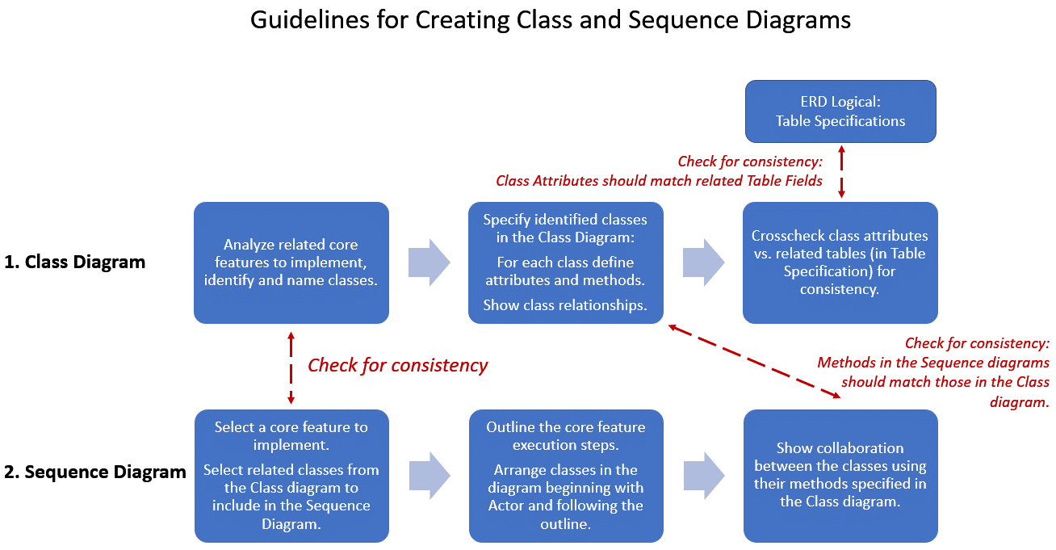
16 | Tasks for User Stories (S2, S3) | Project Manager | 1. At the Sprint planning meeting, Identify development and testing tasks for all user stories in the scope of a given Sprint. A Lead Developer should be the Owner of the document. Use ChatGPT to identify tasks. Then use it to track Sprint progress and provide input to the Burndown chart. 2. List of Tasks is a planning document that, for each user story, includes a list of DEVELOPMENT and TESTING tasks, task owners and Start/End dates. Note, a task title should begin with a VERB indicating a task's objective. 3. Tasks should cover some crosscuts, i.e., those crosscuts you plan to implement for a given user story (refer to the RCT planning). 4. To identify tasks for a user story, check the RCT and see which crosscuts you included in the Sprint scope and plan to implement. Each crosscut should have at least one task. 5. See examples on the Course page in LMS/Classes. 6. Add some critical tasks, you want to track, to the Kanban Board in Jira. 7. Make sure all team members are assigned to tasks and contribute to the iteration implementation.
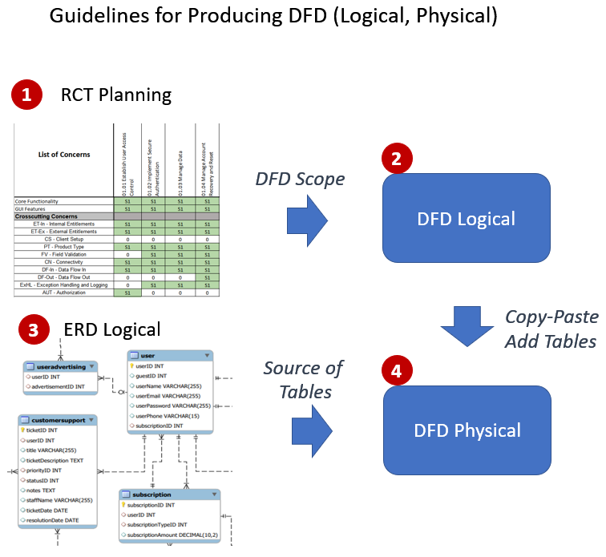
17 | Burndown charts (S1, S2, S3) | Project Manager | 1. Follow the examples in Classes, Burndown charts are produced in Excel document. 2. Each chart is developed for a given Sprint. 3. The starting point in a chart represents the Velocity number from the Road Map (should match). 4. Progress shown in the Burn-down chart should be consistent with the progress in the list of tasks.
18 | Dataflow Diagrams (logical) | Lead BA | 1. Review in the RCT some features (stories) the team plans to implement this semester, find those stories that include DF-In/DF-Out crosscuts. 2. Select one of them and elaborate in the logical DF diagram how this core feature exchanges data with other stories; mark the data flows using the crosscut symbols DF-In, DF-Out. 3. Each core feature in the diagram should have an ID and Title as in the RCT. 4. Highlight in the diagram the features that the team plans to implement this semester. 5. Create at least two DFD diagrams for the stories in the Sprint backlog. 6. The diagrams should be delivered in a Power Point document with a title and diagram objective on each slide.
18 | Dataflow Diagrams (physical) | Lead BA | 1. Open a PP document with the Logical DFD. 2. Copy a logical DFD into a second slide and complete the diagram with the database tables supporting each core feature you plan to implement this semester. 3. Produce DFD diagrams for the core features in scope of this semester implementation. 4. Assign DBA as peer-reviewer of the DFD Physical; make sure tables shown in the DFD Physical exist in the ERD Logical. 5. Each slide should have a title.
19 | ER Diagrams (conceptual, logical) | DBA | 1. Conceptual ER diagram includes the related business entities; it is used for discussions with business stakeholders. 2. Conduct a team meeting to brainstorm ideas and compile the initial list of entities by reading business requirements and titles of core features in the RCT. For each Entity capture its name and primary attributes (3-4 attributes, no more), include the identified Entities in a table (name, description) in a separate Slide. 3. Then include the identified Entities in another Slide as ERD and show their relationships. 4. Logical ER diagram includes data tables, table fields, and table relationships. For each table we mark fields that are either primary or foreign keys. 5. The scope of the Conceptual ERD represents the functional scope of the entire application. 6. The scope of the Logical ERD represents the scope of Sprint 2 and Sprint 3. 7. Include both diagrams in a Power Point document, where each slide has a title.
20 | Table Specifications (Data Dictionary) | DBA | 1. Produce Table specifications in Excel, see examples on the Course portal in Classes, reuse the template. 2. The document includes all tables from the logical ERD. 3. For each table, identify a Primary key and Foreign key (as applicable). 4. For each field in the table indicate the field type, and other details (follow the template). 5. Highlight the fields that will be populated from a reference table, e.g., Zip Code, etc. 6. Include in the specification some tables where data is NOT created by end-users, i.e., reference tables and for which you need to pre-populate reference data.
 | Reference Data Specification | DBA | 1. Create reference data specs for each reference table, at least a dozen of records in each table. 2. to capture reference data, create a separate Tabs in the same Excel "Database Table Specification". 3. Reference data examples include "State", "Product Types", "Entitlements" (see user roles in BRM), "Category", etc.
N/A | Acceptance Tests (Test Design, Test Cases) | QA Analyst | 1. Follow the template and guidelines in the Supplementary Materials module. 2. Each test document is produced for ONE core feature that is highlighted in the first tab RCT. 3. The test design tab identifies the list of test cases, where the Core Feature and GUI tests are required. When you have completed the Test Design document, send it to Instructor for review. Do not start specifying test cases unitl the test design is approved! 4. In addition, you identify some crosscuts for this test design and mark the related cells in the RCT (first tab). When you design test cases for crosscuts, first please read a crosscut description in the original RCT. 5. Field Validation (FV) testing focuses on ONE data entry field at a time. Validate each field based on its requirements in the Table Specificaiton. 6. To test Data Dependency (DDV). you need to produce a decision table, which will be the basis for test design. 7. Make sure you design test cases for validating story constraints, acceptance criteria. 8. Note, we assign as peer-reviewer of the test design document the developer who implemented this user story for which you produced the test design.
N/A | Test Execution Log (execute formal testing) | QA Analyst | 1. Test execution log is captured in a separate Tab in the Excel template. 2. Test execution log includes ALL test cases you identified in the Test Design tab. 3. For each test case, you capture the execution status, execution date and tester's name.
21 | Source Code sample (part of Demo) + Git repository PP slides (images) | Lead Dev | Capture the Git info in a PP doc (slides): - login info (first slide) and repository structure (other slides) - sample of your source code representing the feature that will be the focus of your project presentation. - include a slide with a build/deployment procedure
22 | Jenkins Demo (recorded) | Jenkins Admin | Record a demo of the Jenkins tool illustrating what Jenkins features have been implemented and how the tool works.
23 | Jenkins Progress Report (S1, S2, S3) | Jenkins Admin | The report purpose is to communicate to the project team the plan for Jenkins adoption in a given Sprint cycle and capture the actual progress at the iteration end. Use a report Word template from Classes/Supplementary Documents module.
24 | Class Presentation PowerPoint | PM | 1. All documents presented in class should be included in the PowerPoint document. 2. Each slide includes the image of one document; the title of the slide includes the document name and the student's name, who will present this document. 3. This PowerPoint document is included in the set of final project deliverables.
25 | Class Presentation, Application Demo (recorded) | All | 1. For the application Demo... create a recorded demo, e.g. using QuickTime. 2. For the class presentation, the team needs to rehearse the presentation scenario, decide who is presenting which document. Note, every team member should have a part in the final presentation. 3. For the presentation flow, the team identifies one core feature (user story) then presents and discusses the documents related to this core feature.

